Graphs
 | AXLE LOAD DATA ANALYSIS (KAMPALA - HOIMA HIGHWAY)
Load Description (Kampala-Hoima Highway)
Truck Composition for Kampala - Hoima Highway
Vehicle Categories |  |  |  |  |  | Load Description
 | Truck Type | Kampala-Hoima | Hoima-Kampala | Both Directions |  | Category | Kampala-Hoima | Hoima-Kampala
7 | Light/Medium Trucks | 116 | 60 | 176 |  | Agricultural produce | 39.1% | 33.3%
9 | Heavy Trucks | 3 | 2 | 5 |  | Perishable | 0.0% | 0.0%
10 | Truck/Trailer | 9 | 7 | 16 |  | Construction Material | 8.6% | 4.3%
 | Totals | 128 | 69 | 197 |  | Metal/machinery | 0.0% | 11.6%
 |  |  |  |  |  | Forestry products | 0.0% | 0.0%
 |  |  |  |  |  | Fuels | 4.7% | 1.4%
 |  |  |  |  |  | Chemical Products | 0.0% | 0.0%
 |  |  |  |  |  | Livestock | 0.8% | 0.0%
 |  |  |  |  |  | Household retail products | 10.9% | 13.0%
 |  |  |  |  |  | Empty | 34.4% | 34.8%
 |  |  |  |  |  | Others | 1.6% | 1.4%
 |  |  |  |  |  | Total | 128 | 69

Average Truck Loading (Kampala - Hoima Higwhay)
Average Total Loading (Tonnes)
 | Truck Type | Kampala-Hoima | Hoima-Kampala | Both Directions | Limit
7 | Light/Medium Trucks | 10.0 | 8.6 | 9.3 | 18
9 | Heavy Trucks | 7.7 | 22.5 | 15.1 | 27
10 | Truck/Trailer | 33.0 | 38.8 | 35.9 | 54
 | Totals

 |  |  |  |  |  | Proportion of Overloaded Trucks
 |  |  |  |  |  |  | Truck Type | Kampala-Hoima | Hoima-Kampala | Both Directions
 |  |  |  |  |  |  | 0-4.9% | 73.4% | 81.2% | 77.3%
 |  |  |  |  |  |  | 5-25% | 10.2% | 8.7% | 9.4%
 |  |  |  |  |  |  | 25-50% | 10.9% | 7.2% | 9.1%
 |  |  |  |  |  |  | Over 50% | 5.5% | 2.9% | 4.2%
Percentage By Which Vehicles Are Overloaded (Kampala-Hoima)
 |  |  |  |  |  |  |  | 128 | 69

Average Proportion of Overloaded Trucks (Kampala-Hoima)
Proportion of Overloaded Trucks
 | Truck Type | Kampala-Hoima | Hoima-Kampala | Both Directions
7 | Light/Medium Trucks | 25.0% | 13.3% | 19.2%
9 | Heavy Trucks | 0.0% | 50.0% | 25.0%
10 | Truck/Trailer | 66.7% | 57.1% | 61.9%
 | Overall | 27.3% | 18.8%

KEY
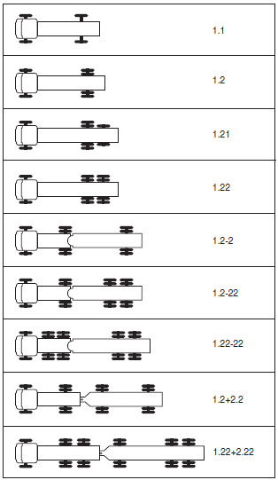
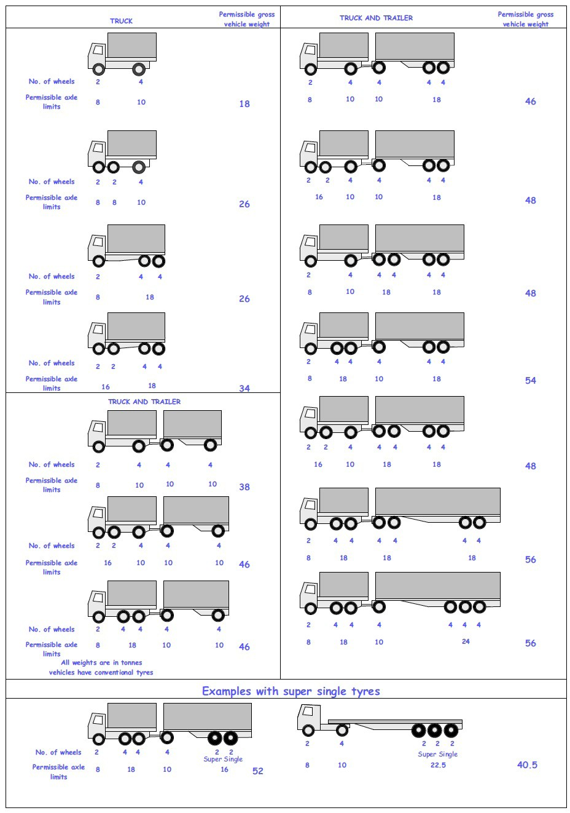
 |  |  |  |  | Axle Configuration
TRUCK TYPES |  |  |  |  | 2-Axles | 2-Axles | 3-Axle | 4-Axle | 5-Axle | 6-Axle | 7-Axle

7 | LIGHT SINGLE UNIT TRUCK-DYNAS AND TRACTORS(2 axles) |  |  |  | 1.1 | 1.2
8 | LIGHT/MEDIUM SINGLE UNIT TRUCKS (3 axles) |  |  |  |  |  | 1.22
9 | MEDIUM - SINGLE UNIT TRUCKS-LORRIES, FUSOS (4 axles) |  |  |  |  |  |  | 1.1-22
 |  |  |  |  |  |  |  | 1.222

10 | HEAVY TRUCK RIGID (5 axles) |  |  |  |  |  |  |  | 1.1-222
 |  |  |  |  |  |  |  |  | 1.2-222
 |  |  |  |  |  |  |  |  | 1.22-22
11 | TRUCK TRAILER AND SEMI TRAILER (6 axles) |  |  |  |  |  |  |  |  | 1.12-222
 |  |  |  |  |  |  |  |  |  | 1.22-222
 |  |  |  |  |  |  |  |  |  | 1.22+1-22
 |  |  |  |  |  |  |  |  |  | 1.22+2-22
 |  |  |  |  |  |  |  |  |  | 1.21-222
 |  |  |  |  |  |  |  |  |  | 1.22-111
12 | TRUCK TRAILER TYPE 2 (7 axles) |  |  |  |  |  |  |  |  |  | 1.11+11-11
 |  |  |  |  |  |  |  |  |  |  | 1.22+22-22
 |  |  |  |  |  |  |  |  |  |  | 1.12+11-22

 | 7. Light Truck
 | 8. Medium Truck
 | 9. Heavy truck
 | 10. Truck Trailer

 | 1*1 | Light Truck | 7 | 18
 | 1*2 | Light Truck | 7 | 18
 | 1*21 | Medium Truck | 8 | 26
 | 1*22 | Heavy Truck | 9 | 26
 | 1*2*2 | Truck Trailer | 10 | 46
 | 1*2*22 | Truck Trailer | 10 | 46
 | 1*22-22 | Truck Trailer | 10 | 46
 | 1*2*2*2 | Truck Trailer | 10 | 46
 | 1*22*2*22 | Truck Trailer | 10 | 46
 | 11*22 | Heavy Truck | 9 | 34

